employee
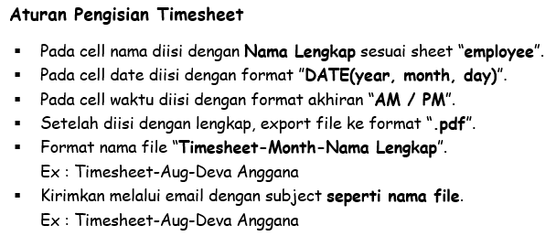
 |  | PT IDSTAR CIPTA TEKNOLOGI
 |  | LOGBOOK TIMESHEET
 |  | PROFESSIONAL SERVICES

No | Nama | Email
1 | Abraham Lincolm | abraham@gmail.com
2 | Abu Jahal | abujahal@gmail.com
3 | Adolf Hitler | adolfhitler@gmail.om
4 | Bagaskara | bagaskara@gmail.com
5 | Deva Anggana | devaanggana@gmail.com
6 | John Chena | johncena@gmail.com
7 | Joko Soetejo | jokosoetejo@gmail.com
8 | Musolini | musolini@gmail.com
9 | Will Smith | willsmith@gmail.com
10 | Zainal Abidin | zainalabidin@gmail.com

